2
 | A | B | C | Default
A | 0.005 | 0.035 | 0.005 | 0.005
B | 0.015 | 0.105 | 0.015 | 0.015
C | 0.06 | 0.42 | 0.06 | 0.06
Default | 0.02 | 0.14 | 0.02 | 0.02
 | Transition matrix
 |  | A | B | C | Default
 | A | 0.8 | 0.15 | 0.03 | 0.02
 | A | B | C | Default
A | 0.005 | 0.035 | 0.005 | 0.005
B | 0.015 | 0.105 | 0.015 | 0.015
C | 0.06 | 0.42 | 0.06 | 0.06
Default | 0.02 | 0.14 | 0.02 | 0.02
 | B | 0.1 | 0.7 | 0.1 | 0.1
 | C | 0.05 | 0.15 | 0.6 | 0.2
 | Default | 0 | 0 | 0 | 1

 | Joint probabilities
 |  |  |  | C
 |  | A | B | C | Default
 | A | 0.50% | 1.50% | 6.00% | 2.00% | 0.1
B | B | 3.50% | 10.50% | 42.00% | 14.00% | 0.7
 | C | 0.50% | 1.50% | 6.00% | 2.00% | 0.1
 | Default | 0.50% | 1.50% | 6.00% | 2.00% | 0.1
 |  | 5.00% | 15.00% | 60.00% | 20.00% | 1

 | Portfolio values in 1 year |  |  |  |  |  |  | CF | CF
 |  |  |  |  |  |  | year | "B" Bond | "C" Bond | r(t) | flat
 |  | A | B | C | Default | spread | 1 | 1000 | 200 | 5%
 | A | 5358 | 5190 | 4955 | 3673 | 0.01 | 2 | 1000 | 200
 | B | 5172 | 5004 | 4769 | 3487 | 0.05 | 3 | 1000 | 200
 | C | 4895 | 4727 | 4492 | 3210 | 0.12 | 4 | 1000 | 200
 | Default | 1685 | 1517 | 1282 | 0 |  | 5 |  | 1200
 |  |  |  |  |  |  |  |  |  | Sources of value change of the bond
 | spread | 0.01 | 0.05 | 0.12 |  |  |  |  |  | interest rate | riskfree rate |  | no change
 |  |  |  |  |  |  |  |  |  |  | spread | change in the rating
 |  | Value of the portfolio today |  |  |  |  |  |  |  |  |  | change in the spread | no change
 |  |  | "B" | "C" | "B"+"C" |  |  |  |  | time |  |  | determninistic
 |  |  | 3,170 | 1,096 | 4,266 |  |  |  |  | CF |  |  | no change

 |  | VaR (Ft) | 1,056
 |  | Threshold | 3210

 |  | Value ditribution in 1 year

 |  | value | prob | cdf | 1-cdf
 |  | 0 | 2.00% | 2.00% | 98.00% |  | VaR | Sign
 |  | 1282 | 6.00% | 8.00% | 92.00% |  | 4,266 | 99%
 |  | 1517 | 1.50% | 9.50% | 90.50% |  | 2,984 | 95%
 |  | 1685 | 0.50% | 10.00% | 90.00% |  | 1,056 | 90%
 |  | 3210 | 2.00% | 12.00% | 88.00%
 |  | 3487 | 14.00% | 26.00% | 74.00%
 |  | 3673 | 2.00% | 28.00% | 72.00%
 |  | 4492 | 6.00% | 34.00% | 66.00%
 |  | 4727 | 1.50% | 35.50% | 64.50%
 |  | 4769 | 42.00% | 77.50% | 22.50%
 |  | 4895 | 0.50% | 78.00% | 22.00%
 |  | 4955 | 6.00% | 84.00% | 16.00%
 |  | 5004 | 10.50% | 94.50% | 5.50%
 |  | 5172 | 3.50% | 98.00% | 2.00%
 |  | 5190 | 1.50% | 99.50% | 0.50%
 |  | 5358 | 0.50% | 100.00% | 0.00%

5a
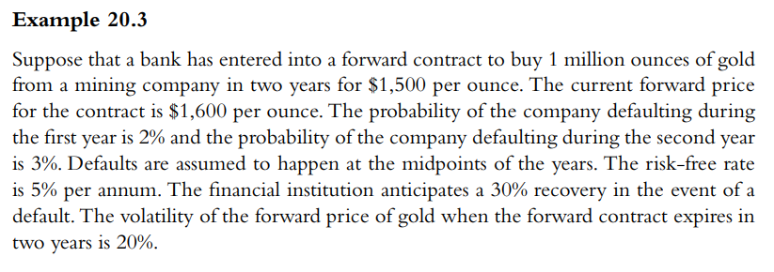
F | 1600 |  | q1 | 2%
K | 1500 |  | q2 | 3%
s | 20% |  | R | 30%
rf | 5%
T | 2

ti | 0.5 | 1.5
ci | 142.69 | 191.37 | PV of futures option
vi | 132.38 | 186.65 | PV of exposure

CVA | 5.77

f | 90.48 | (forward value without counterparty risk)
f* | 84.71 | (forward value with counterparty risk)

